Introduction
Estimation of Uncompensated Resistance from the "Back-Half" Peak Width in Square Wave Voltammetry (SWV) Measurements

Before using this computation tool ensure that you meet the following conditions:
 | 1. Electrochemical reversibility (i.e. peak current is linear with sqaure root of scan rate, peak potential independent of scan rate) |  |  |  | Potential | Time
 |  |  |  |  | 0 | 0 | 0 | 0
 | 2. Semi-infinite linear diffusion (i.e., Δt << 0.01r02/4DOx, r0 = radius of working electrode) |  |  |  | 0 | 0.02 | -0.002 | 0.02
 | 3. Metal deposits onto a clean foreign substrate (e.g., La deposition onto W) |  |  |  | -0.002 | 0.02 | -0.004 | 0.04
 | 4. Adsoprtion of metal ions occur in the underpotential range as the first step |  |  |  | -0.002 | 0.04 | -0.006 | 0.06
Nomenclature |  |  |  |  | -0.004 | 0.04 | -0.008 | 0.08
A | Area of working electrode |  | R | Universal Gas Constant | -0.004 | 0.06
COx | Concentration of counter ion of depositing metal (Mn+) |  | Ru | Uncompensated resistance | -0.006 | 0.06
DOx | Diffusion coefficient of counter ion of depositing metal (Mn+) |  | rA | Radius of deposited atoms or molecules | -0.006 | 0.08
e | Roughness factor for electrode/deposits |  | T | Temperature of electrolyte | -0.008 | 0.08
Eeq | Equilibrium potential |  | xOx | Mole fraction of counter ion of deposit | -0.008 | 0.1
Eo' | Apparent standard potential |  | ΔE | Potential pulse amplitude
Ep | Peak potential |  | ΔEs | Potential step size
F | Faraday's Constant |  | f | Frequency (f = 1/(2*Δt))
MW | Molecular or atomic mass of deposit |  | ρD | Mass density of deposit
n | Number of electrons exchanged |  | Δt | Pulse time (Δt = 1/(2*f))
Equations
Monolayer of Deposit Calculation |  | Dimensionless Parameters
$$Γ_{1}=e\frac{ρ_{D}\left(2r_{a}\right)}{MW}$$
$$χ= \frac{C_{Ox}^{∗}}{Γ_{1}}\sqrt{D_{Ox}∆t}$$
$$ρ= \frac{n^{2}F^{2}}{RT}\sqrt{\frac{D_{Ox}}{∆t}}R_{u}AC_{Ox}^{∗}$$

Calculated "Back-Half" Peak Width
$$w_{2}= \frac{RT}{nF}\left[0.37χ^{−0.5}+0.45χ^{0.11}+(0.26+0.01χ)ρ\right]$$

$$w_{2}=\frac{RT}{nF}\left[0.7+0.3ρ\right]$$
 |  |  |  | at χ > 3.7 and Ru < 0.1

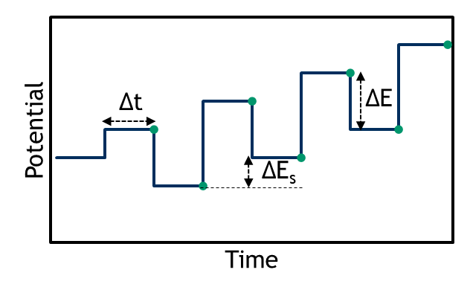
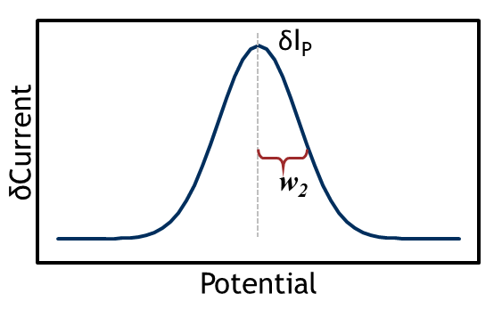

(+)
(–)

For electrodeposition under reducing current, the back-half is considered the more negative side

Note: This figure is an example. Consult your specific potentiostat software to ensure parameters are defined in the same manner. You may need to convert your potentiostat parameters to match the definitions in this figure

Please cite the following sources when using this computational tool.
Sources: | (1) Krulic, D.; Fatouros, N.; Liu, D. A Complementary Survey of Staircase Voltammetry with Metal Ion Deposition on Macroelectrodes. J. Electroanal. Chem. 2015, 754, 30–39. https://doi.org/10.1016/j.jelechem.2015.06.012. (2) Rappleye, D. S.; Fuller, R. G. Bringing the Analysis of Electrodeposition Signals in Voltammetry Out of the Shadows. J. Electrochem. Soc. 2023, 170 (6), 063505. https://doi.org/10.1149/1945-7111/acd879.

Solver Install Instructions
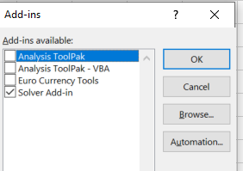
Step 1:
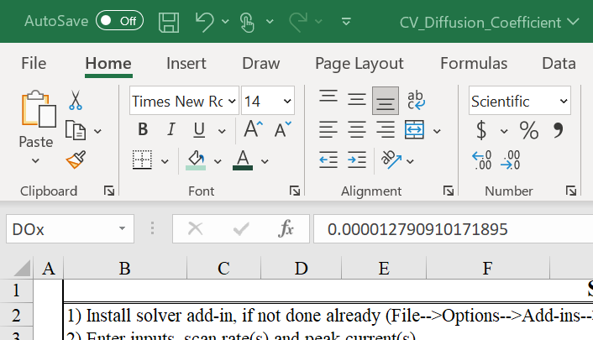

Step 2:


Step 3:
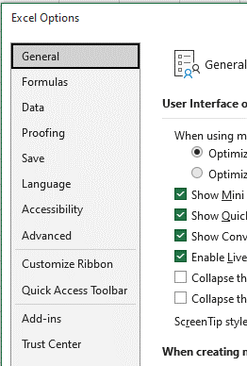

Step 4:
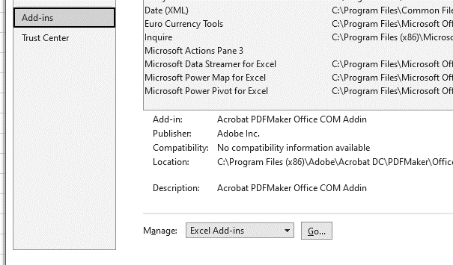

Step 5:

Solver Setup Instructions
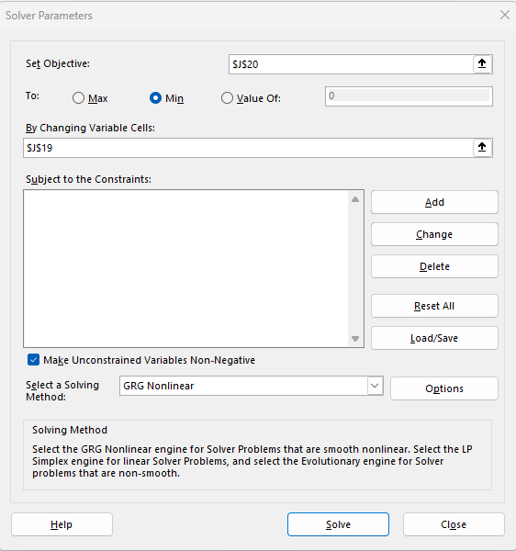
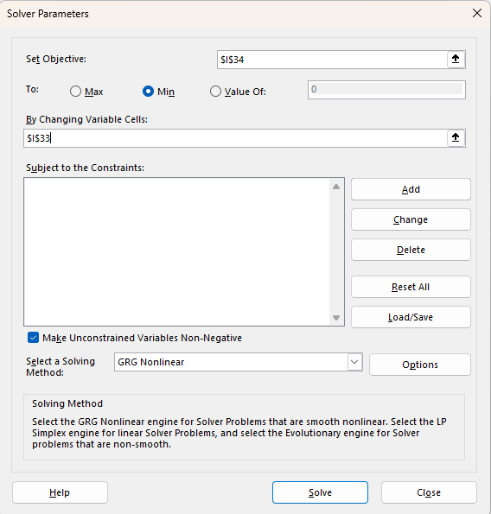
Step 1:

Step 2: | Single Frequency | Multiple Frequencies

